Завдання 1
1 | Status | New | 2 | Status | New | 3 | Status | New | 4 | Status | New | 5 | Status | New
 | Summary (Resume) | There are missing navigation arrows In the carrousel on the Home page |  | Summary (Resume) | The Phone number doesnt change colour when i move mouse on it |  | Summary (Resume) | The language of the web site is russian by default |  | Summary (Resume) | Russian names on the pictures on the page with ukrainian language as optional |  | Summary (Resume) | the button in the drop-down menu doesnt work
 | Description |  |  | Description | On the Home page in the Header Phone number doesnt change color when i move mouse on it |  | Description |  |  | Description |  |  | Description | The arrow-button on the Drop-down menu "СТОМАТОЛОГІЯ" doesn't work
 | Priority | High |  | Priority | High |  | Priority | High |  | Priority | High |  | Priority | High
 | Severity | Min |  | Severity | Min |  | Severity | Medium |  | Severity | Min |  | Severity | High
 | Environment | Production |  | Environment | Production |  | Environment | Production |  | Environment | Production |  | Environment | Production
 | Pre-condition | User is on the page https://rivne.oxford-med.com.ua/ |  | Pre-condition | User is on the page https://rivne.oxford-med.com.ua/ |  | Pre-condition | The user is on the page https://oxford-med.com.ua/ |  | Pre-condition | The user is on the page https://oxford-med.com.ua/ua/services/stomatology/ustanovka-vinirov/ |  | Pre-condition | User is on the page https://oxford-med.com.ua/ua/services/stomatology/esteticheskaya-stomatologiya/
 | STR | 1. Find Carrousel on the Home page 2. Move your mouse on the picture |  | STR | 1. Find Phone number on the Header 2. Move your mouse on it |  | STR | 1. Click on the link https://oxford-med.com.ua/ |  | STR | 1. Scroll to the Title "ПОКАЗАННЯ ДО ВСТАНОВЛЕННЯ КЕРАМІЧНИХ ВІНІРІВ" 2. Look at the names on the pictures |  | STR | 1. Click on the arrow near "Імплантація зубів"
 | Expected result | should appear navigation arrows |  | Expected result | The button Phone number should change its colour |  | Expected result | Language should be ukrainian |  | Expected result | Should be "До" and "Після" |  | Expected result | Should open drop-down menu on the same page
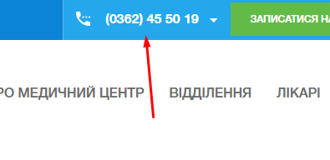
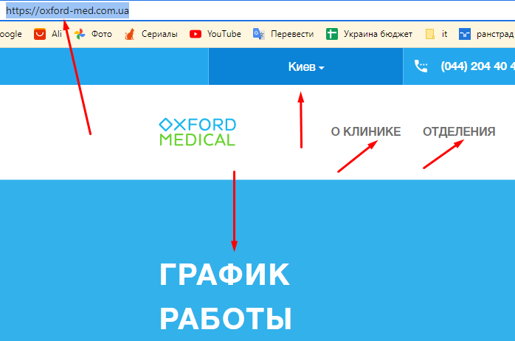
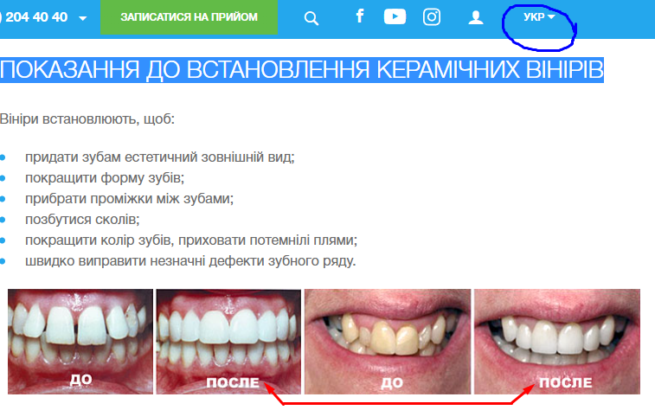
 | Actual result | No any arrows to move to the next picture in the carrousel |  | Actual result | The button Phone number doesnt change its colour |  | Actual result | Language is russian |  | Actual result | There are "До" and "После" |  | Actual result | Opening new page with the drop-down menu
 | Additional info |  |  | Additional info |  |  | Additional info |  |  | Additional info |  |  | Additional info | Check the same in menu Вініри, Відбілювання зубів, Протезування, Діагностика зубів, Естетична стоматологія

Завдання 2
 |  | microsoft edge

1 | Status | New | 2 | Status | New | 3 | Status | New | 4 | Status | New | 5 | Status | New
 | Summary (Resume) | There are missing navigation arrows In the carrousel on the Home page |  | Summary (Resume) | The Phone number doesnt change colour when i move mouse on it |  | Summary (Resume) | The language of the web site is russian by default |  | Summary (Resume) | Russian names on the pictures on the page with ukrainian language as optional |  | Summary (Resume) | the button in the drop-down menu doesnt work
 | Description |  |  | Description | On the Home page in the Header Phone number doesnt change color when i move mouse on it |  | Description |  |  | Description |  |  | Description | The arrow-button on the Drop-down menu "СТОМАТОЛОГІЯ" doesn't work
 | Priority | High |  | Priority | High |  | Priority | High |  | Priority | High |  | Priority | High
 | Severity | Min |  | Severity | Min |  | Severity | Medium |  | Severity | Min |  | Severity | High
 | Environment | Production |  | Environment | Production |  | Environment | Production |  | Environment | Production |  | Environment | Production
 | Pre-condition | User is on the page https://rivne.oxford-med.com.ua/ |  | Pre-condition | User is on the page https://rivne.oxford-med.com.ua/ |  | Pre-condition | The user is on the page https://oxford-med.com.ua/ |  | Pre-condition | The user is on the page https://oxford-med.com.ua/ua/services/stomatology/ustanovka-vinirov/ |  | Pre-condition | User is on the page https://oxford-med.com.ua/ua/services/stomatology/esteticheskaya-stomatologiya/
 | STR | 1. Find Carrousel on the Home page 2. Move your mouse on the picture |  | STR | 1. Find Phone number on the Header 2. Move your mouse on it |  | STR | 1. Click on the link https://oxford-med.com.ua/ |  | STR | 1. Scroll to the Title "ПОКАЗАННЯ ДО ВСТАНОВЛЕННЯ КЕРАМІЧНИХ ВІНІРІВ" 2. Look at the names on the pictures |  | STR | 1. Click on the arrow near "Імплантація зубів"
 | Expected result | should appear navigation arrows |  | Expected result | The button Phone number should change its colour |  | Expected result | Language should be ukrainian |  | Expected result | Should be "До" and "Після" |  | Expected result | Should open drop-down menu on the same page
 | Actual result | No any arrows to move to the next picture in the carrousel |  | Actual result | The button Phone number doesnt change its colour |  | Actual result | Language is russian |  | Actual result | There are "До" and "После" |  | Actual result | Opening new page with the drop-down menu
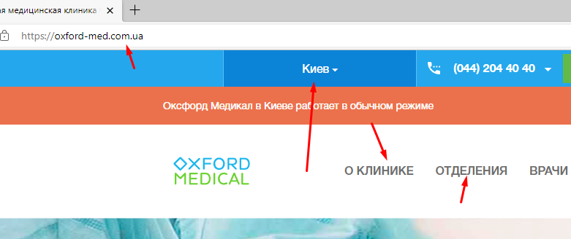
 | Additional info |  |  | Additional info |  |  | Additional info |  |  | Additional info |  |  | Additional info | Check the same in menu Вініри, Відбілювання зубів, Протезування, Діагностика зубів, Естетична стоматологія

 |  | Opera

1 | Status | New | 2 | Status | New | 3 | Status | New | 4 | Status | New | 5 | Status | New
 | Summary (Resume) | There are missing navigation arrows In the carrousel on the Home page |  | Summary (Resume) | The Phone number doesnt change colour when i move mouse on it |  | Summary (Resume) | The language of the web site is russian by default |  | Summary (Resume) | Russian names on the pictures on the page with ukrainian language as optional |  | Summary (Resume) | the button in the drop-down menu doesnt work
 | Description |  |  | Description | On the Home page in the Header Phone number doesnt change color when i move mouse on it |  | Description |  |  | Description |  |  | Description | The arrow-button on the Drop-down menu "СТОМАТОЛОГІЯ" doesn't work
 | Priority | High |  | Priority | High |  | Priority | High |  | Priority | High |  | Priority | High
 | Severity | Min |  | Severity | Min |  | Severity | Medium |  | Severity | Min |  | Severity | High
 | Environment | Production |  | Environment | Production |  | Environment | Production |  | Environment | Production |  | Environment | Production
 | Pre-condition | User is on the page https://rivne.oxford-med.com.ua/ |  | Pre-condition | User is on the page https://rivne.oxford-med.com.ua/ |  | Pre-condition | The user is on the page https://oxford-med.com.ua/ |  | Pre-condition | The user is on the page https://oxford-med.com.ua/ua/services/stomatology/ustanovka-vinirov/ |  | Pre-condition | User is on the page https://oxford-med.com.ua/ua/services/stomatology/esteticheskaya-stomatologiya/
 | STR | 1. Find Carrousel on the Home page 2. Move your mouse on the picture |  | STR | 1. Find Phone number on the Header 2. Move your mouse on it |  | STR | 1. Click on the link https://oxford-med.com.ua/ |  | STR | 1. Scroll to the Title "ПОКАЗАННЯ ДО ВСТАНОВЛЕННЯ КЕРАМІЧНИХ ВІНІРІВ" 2. Look at the names on the pictures |  | STR | 1. Click on the arrow near "Імплантація зубів"
 | Expected result | should appear navigation arrows |  | Expected result | The button Phone number should change its colour |  | Expected result | Language should be ukrainian |  | Expected result | Should be "До" and "Після" |  | Expected result | Should open drop-down menu on the same page
 | Actual result | No any arrows to move to the next picture in the carrousel |  | Actual result | The button Phone number doesnt change its colour |  | Actual result | Language is russian |  | Actual result | There are "До" and "После" |  | Actual result | Opening new page with the drop-down menu
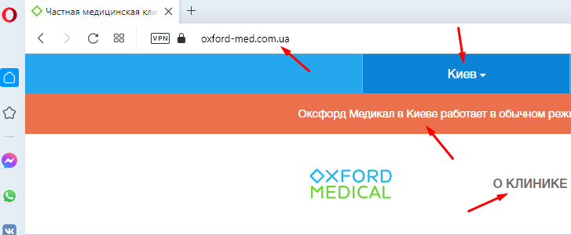
 | Additional info |  |  | Additional info |  |  | Additional info |  |  | Additional info |  |  | Additional info | Check the same in menu Вініри, Відбілювання зубів, Протезування, Діагностика зубів, Естетична стоматологія

